UI Changes
 |  | Required Changes in UI

PROJECT MODE |  |  | SIMPLE MODE | CHECKMODE
SAME GUI + ADDITIONAL FEATURES IF REQUIRED
TORSION INPUT FROM TABLE |  |  | TORSION INPUT BOX
Deflection input changes
Out Put Replace short term and long term with Total Deflection and Include Crack width if required !

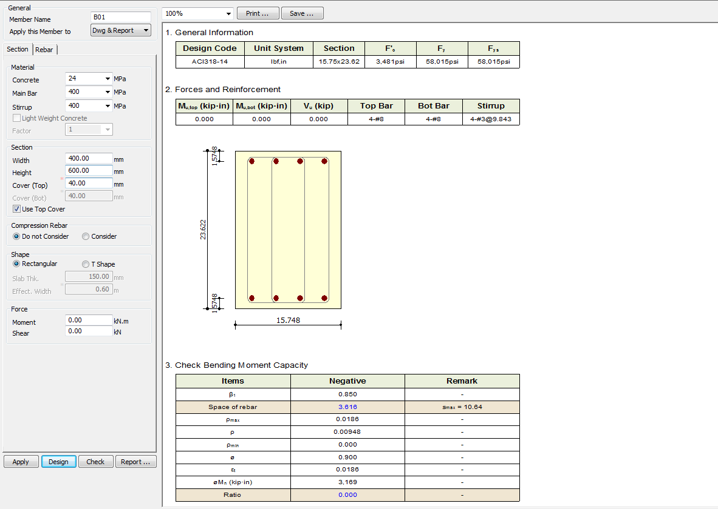
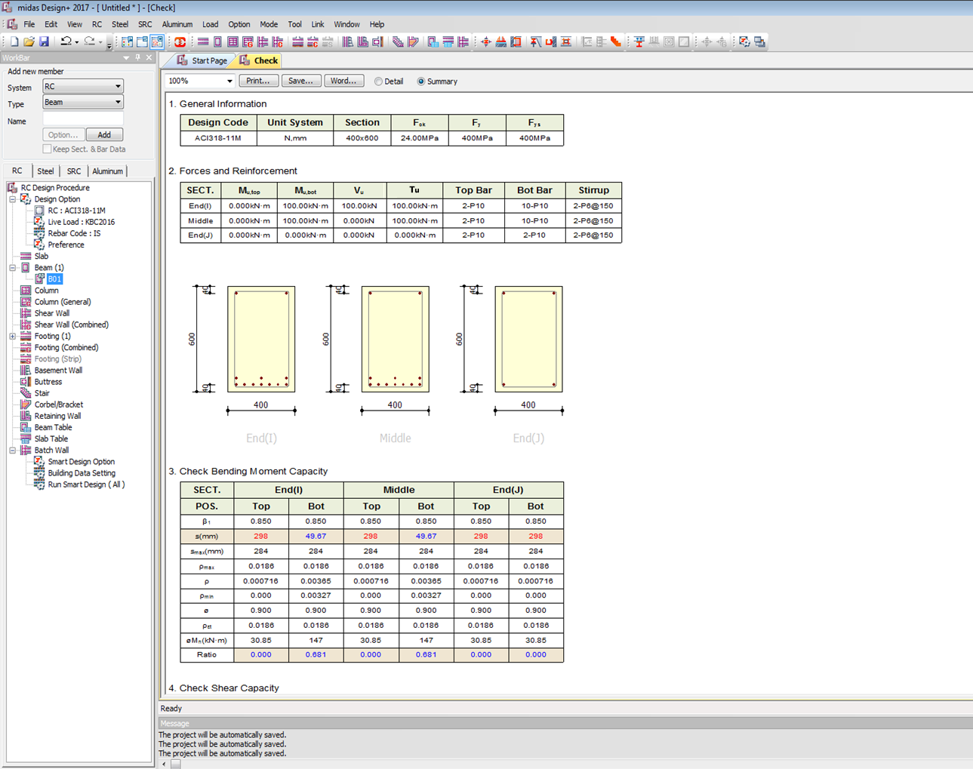

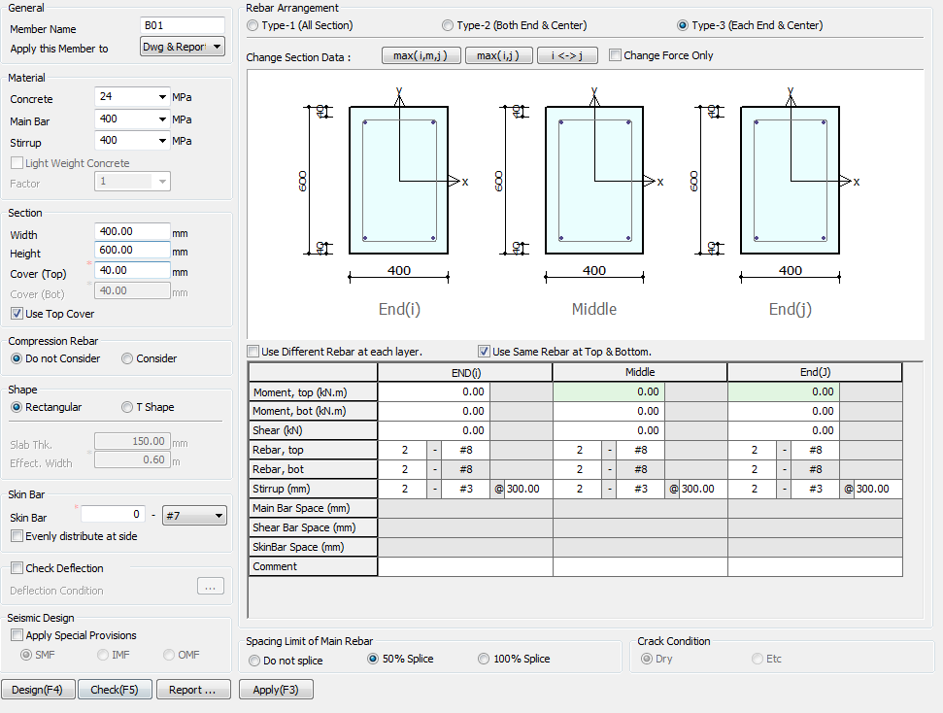

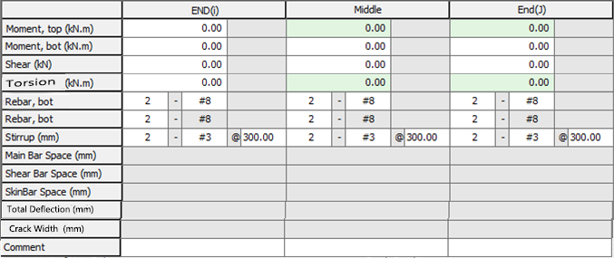

Torsion
0
kN-M

Side Face Reinforcement

Side

Apply IS 13920 Design

 | TORSION INPUT JUST BELOW SHEAR BOX

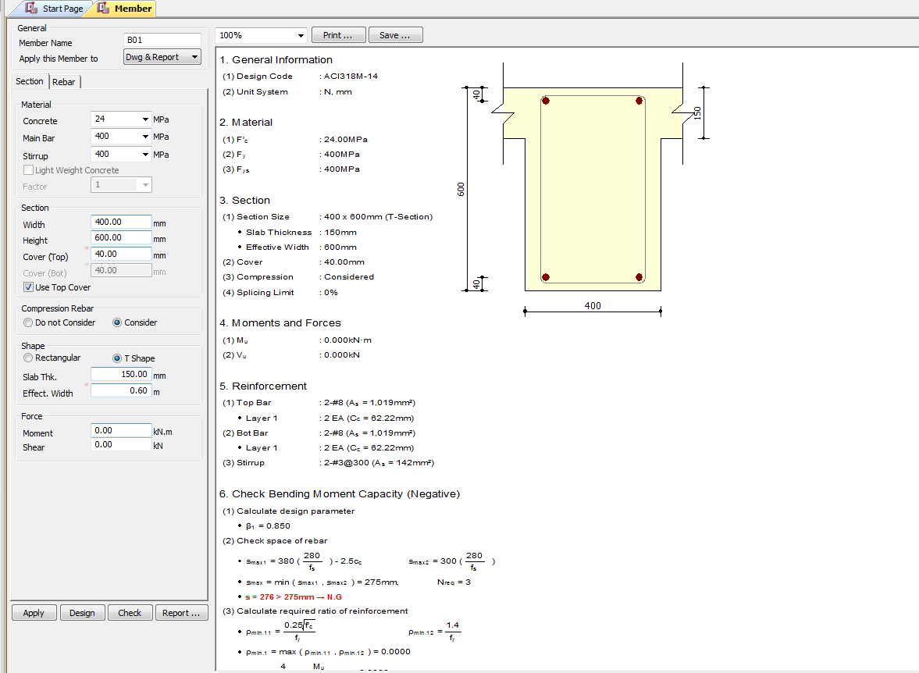

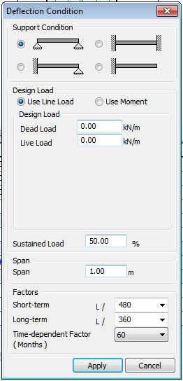

(3)TU : 0.000KN-m
Charactersic Deflection Control
Limit
250
350

7
28
365
(Days)
Torsion
0
kN-M

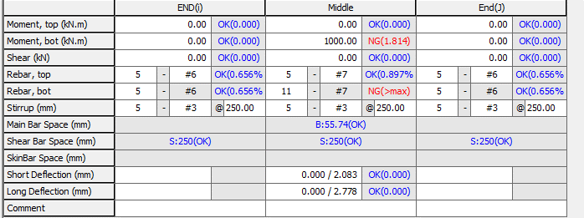

Total Deflection (mm)
Crack Width (mm)

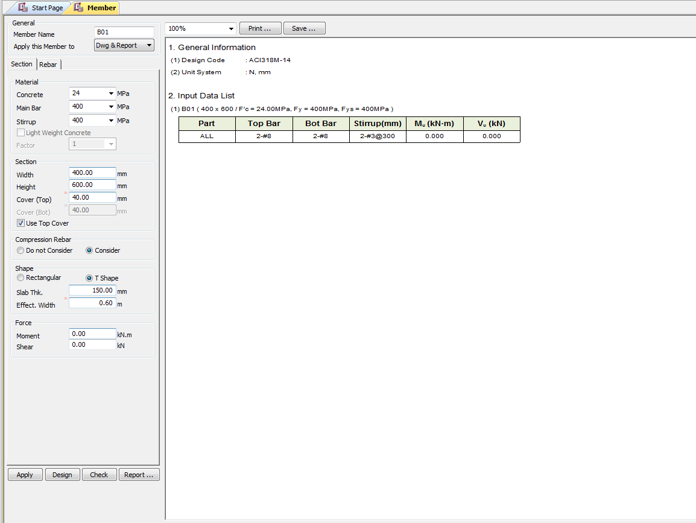

Torsion
0
kN-M

UI CHECK
UI Checking

 | Checks the Input shear to section shear Capacity ratio
 | Checks the Input Moment toMoment section Capacity ratio
 | Check Min Max spacing of Bar
 | Check Min Max Area of steel
 | Check Deflection Limit as per code
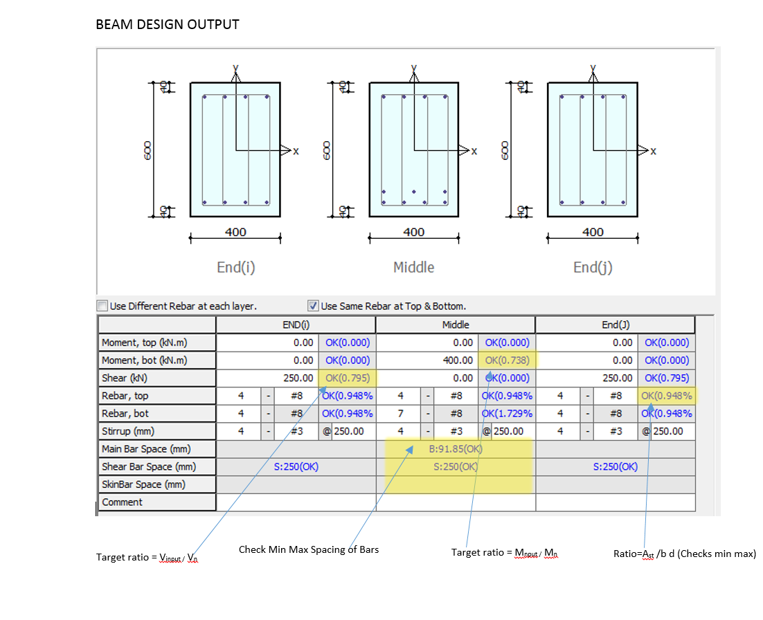

Deflection (mm)
Crack Width (mm)

Crack width Limit check x < xlimit

CODE PROVISIONS
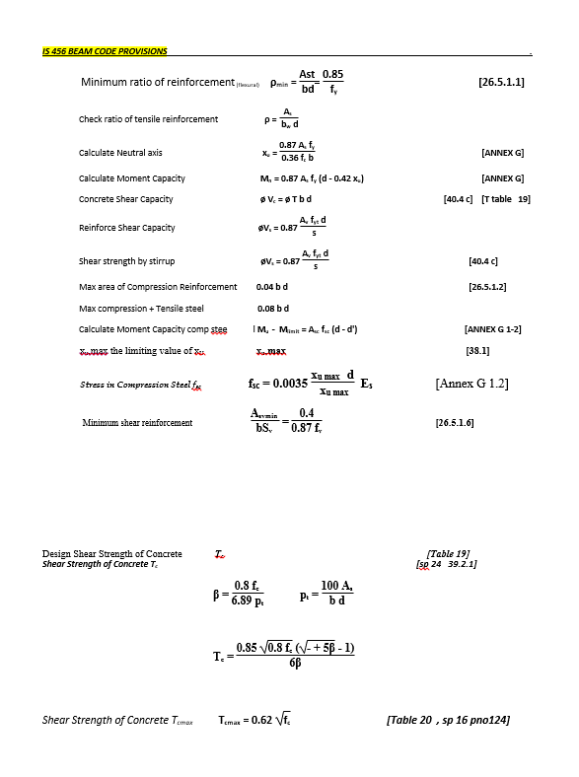
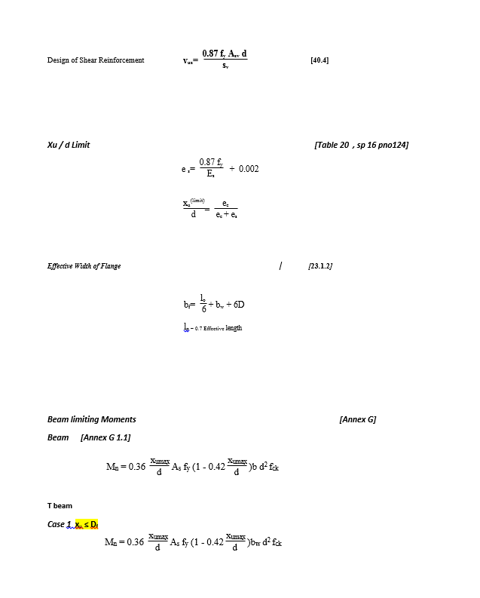
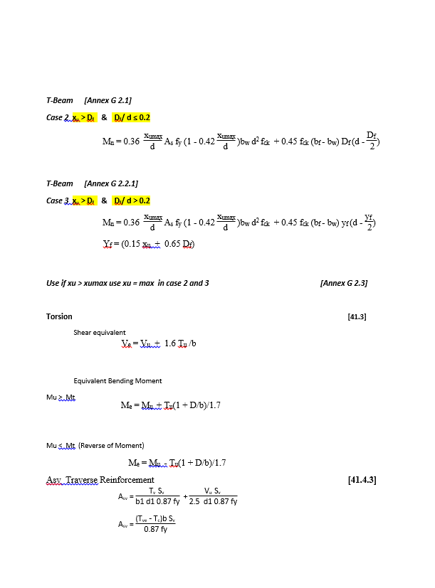
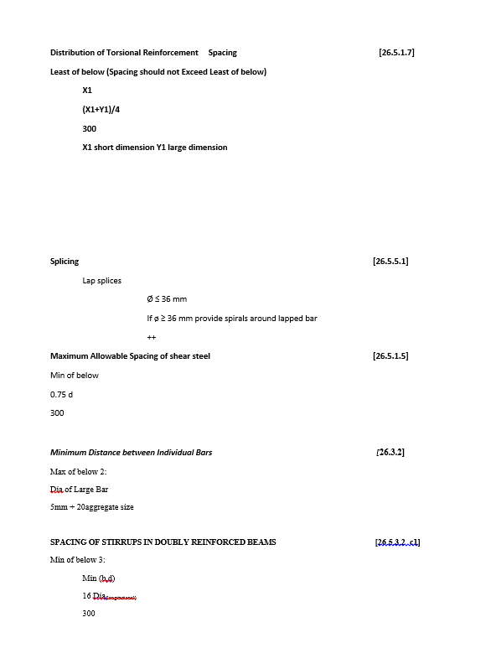
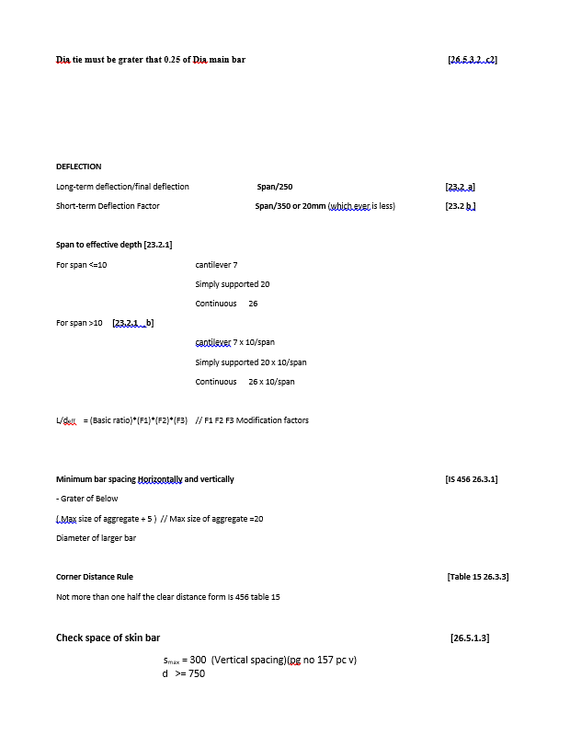
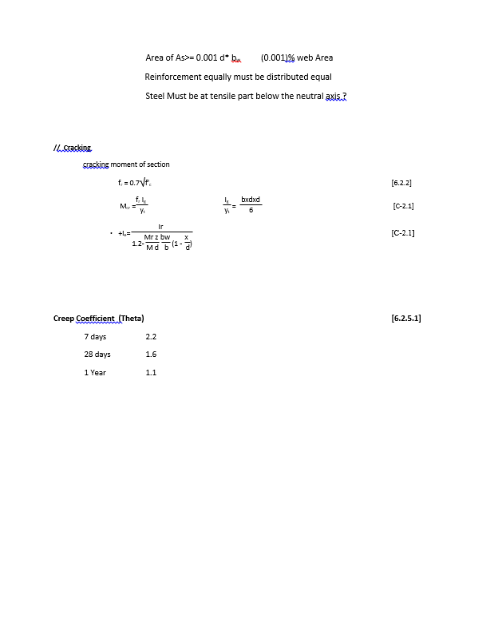
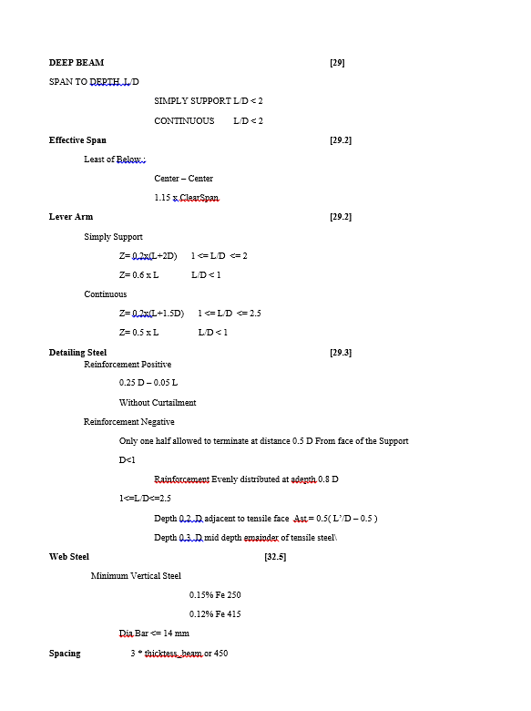
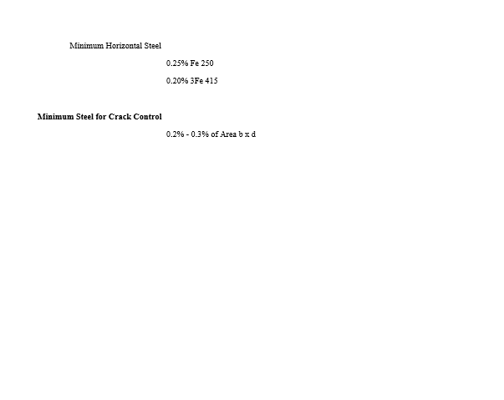
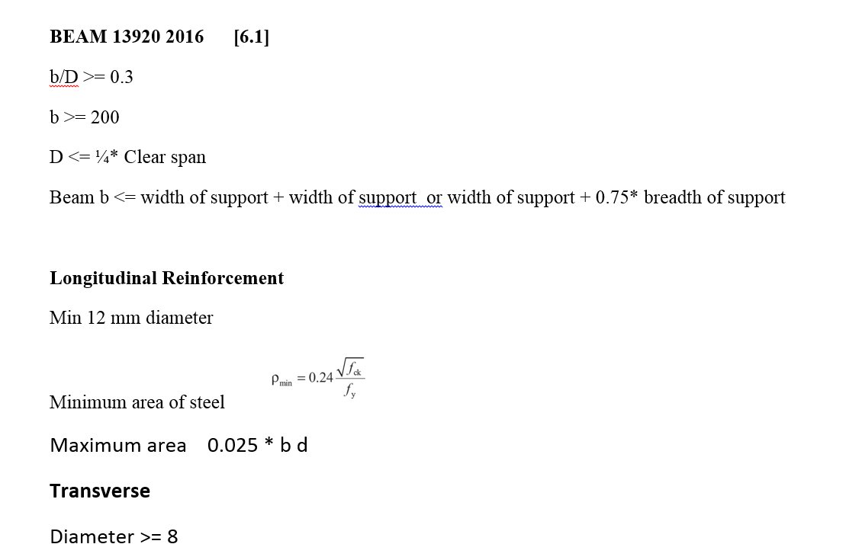
CODE PROVISION

IS 456 2000 CODE PROVISIONS
SP 16
SP 24
IS 13920 2016

FLOWCHART4
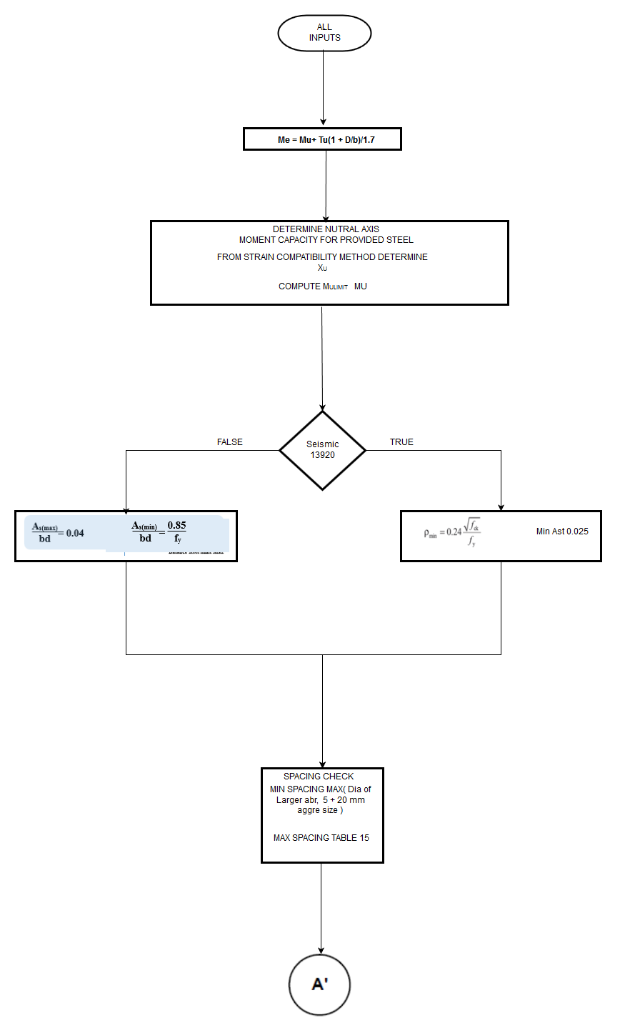
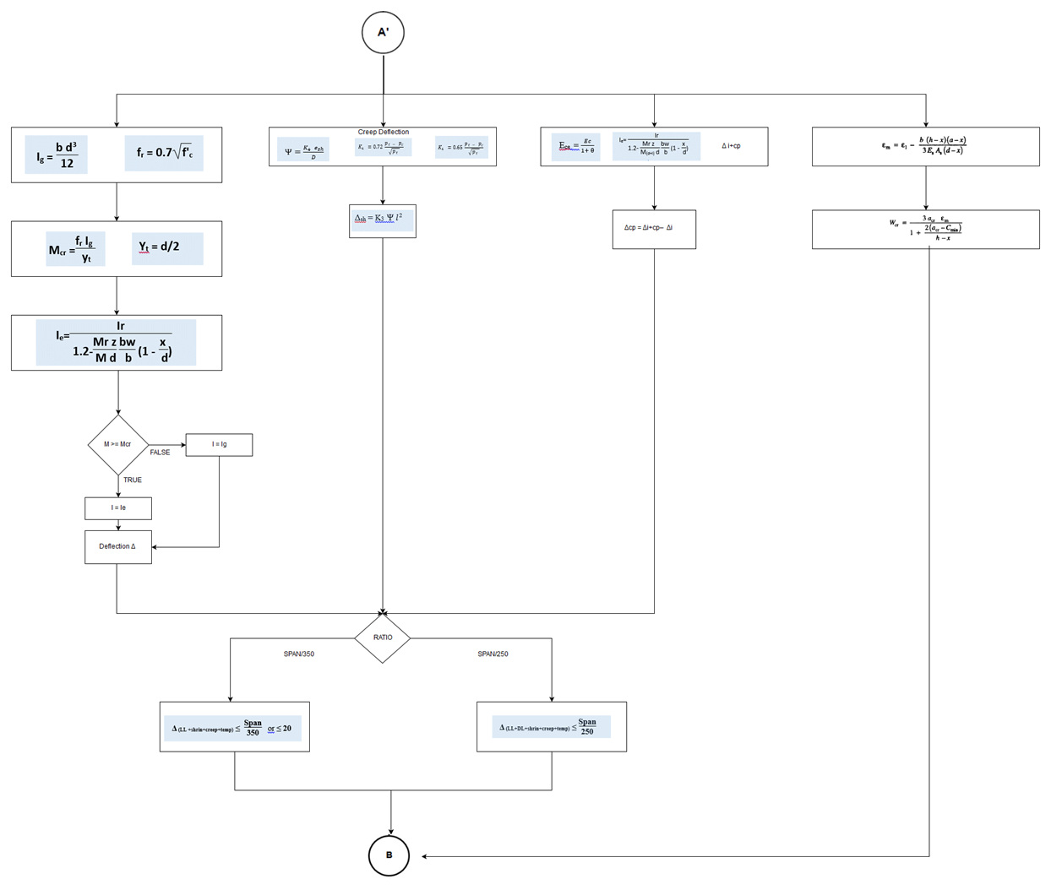
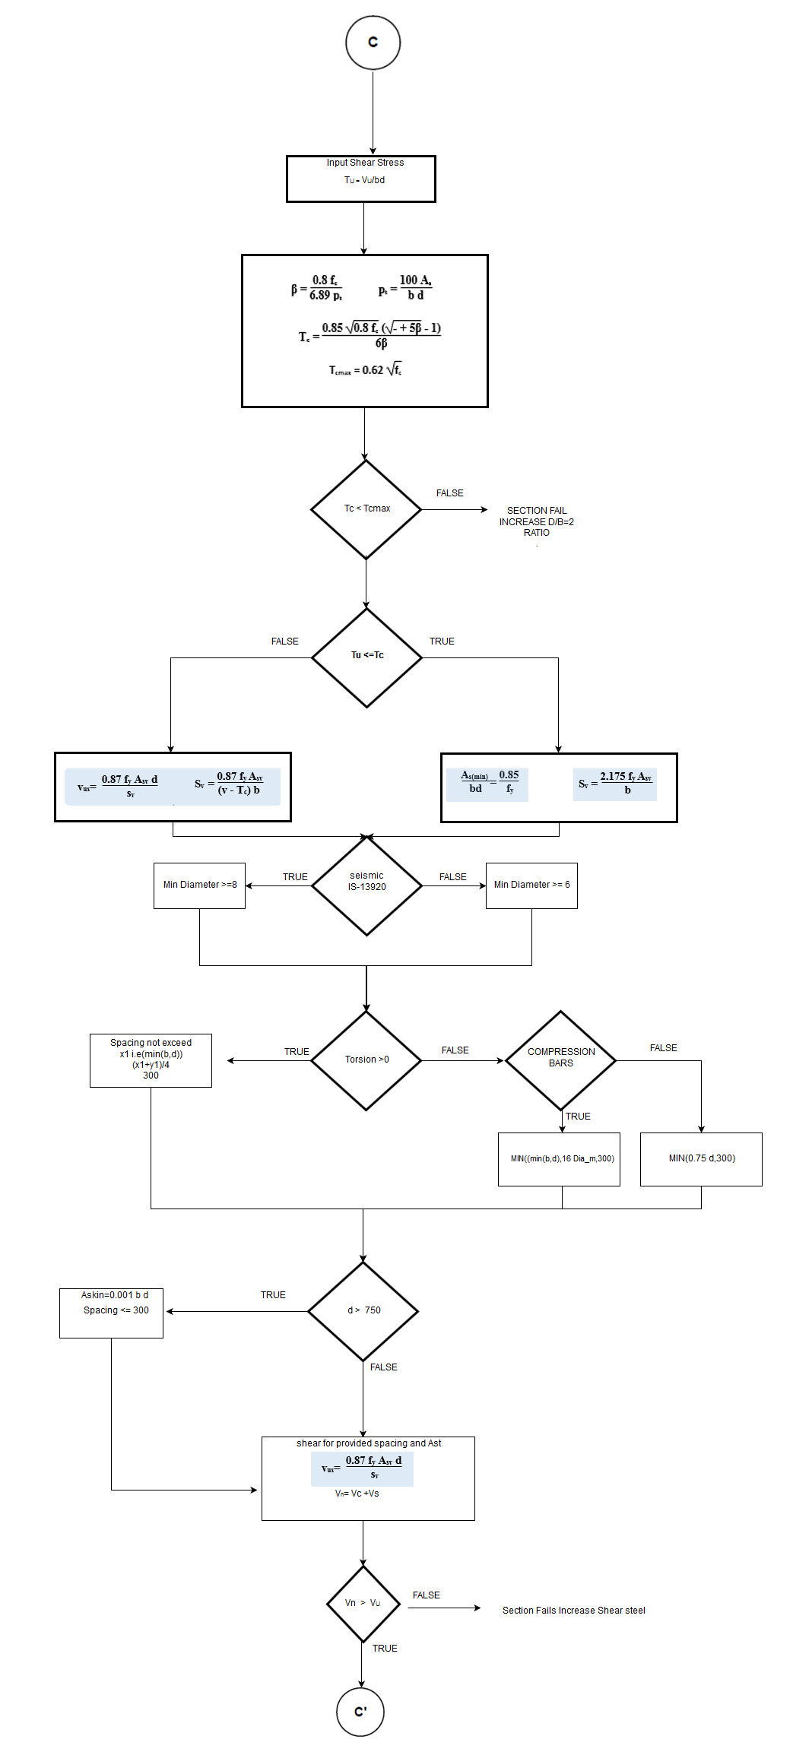
Flow Chart

FLOW CHARTS FOR EACH STEPS

REPORT3
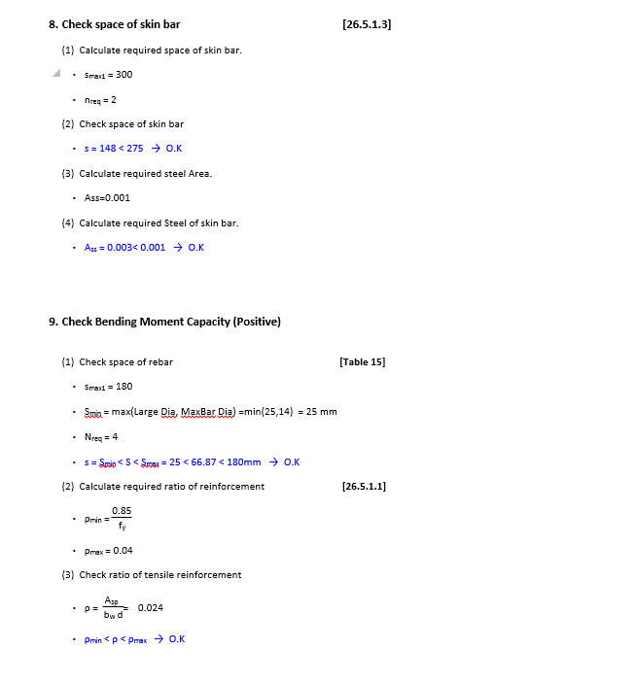
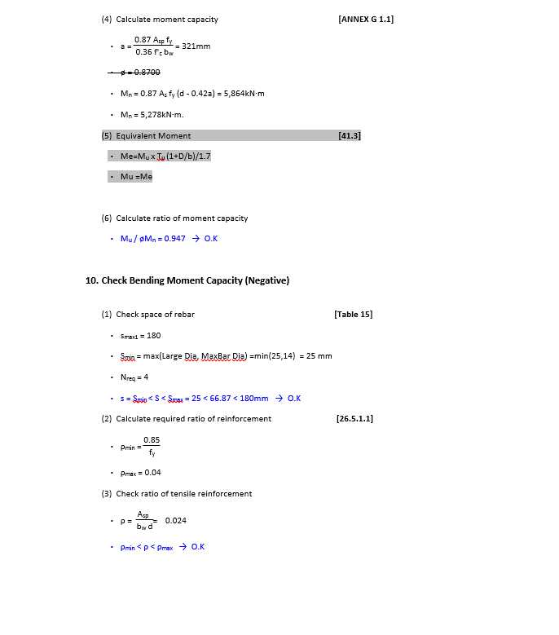
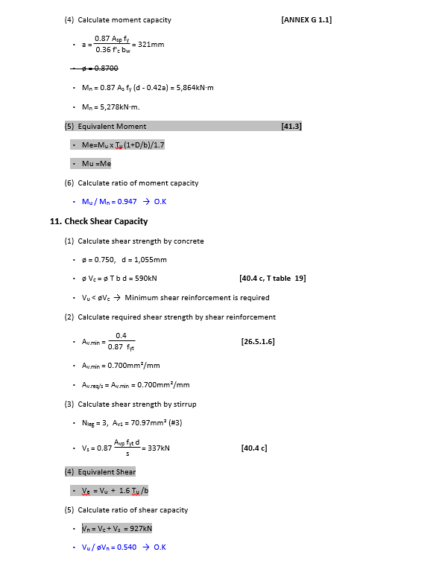
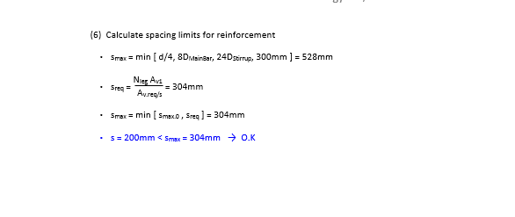
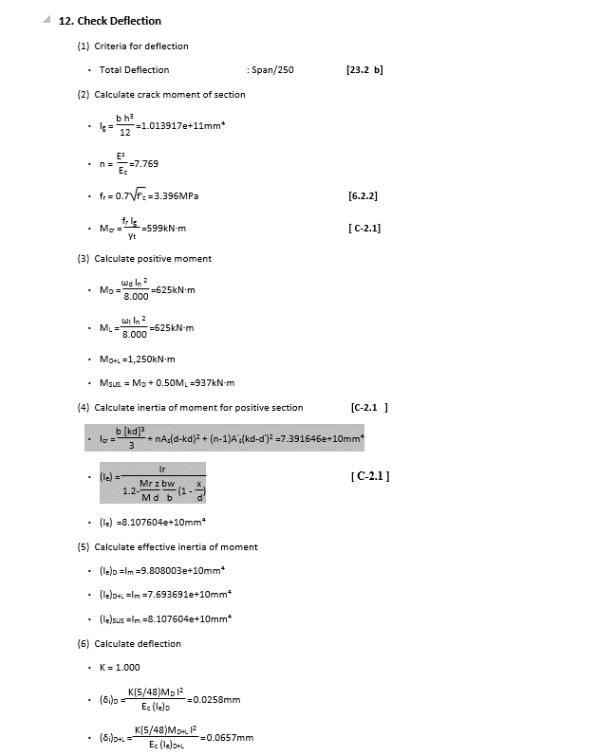
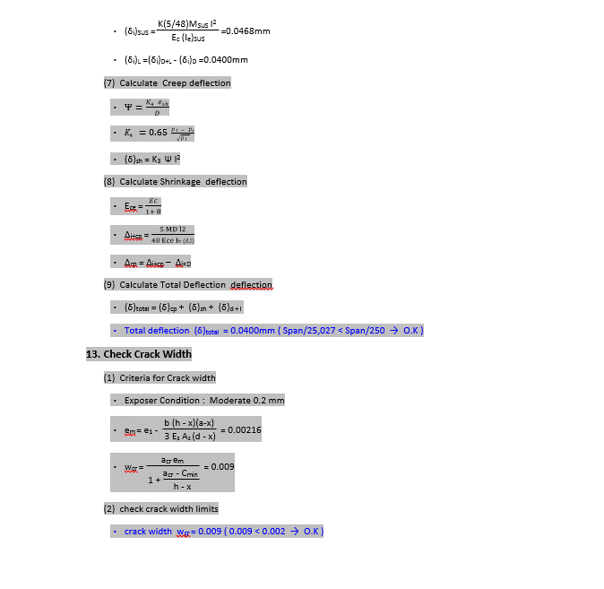
 | REPORT

Detail Report |  | Summary Report
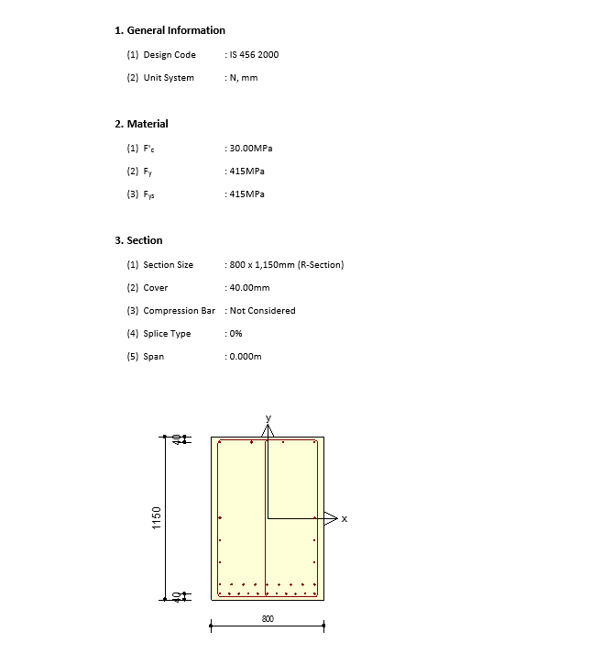
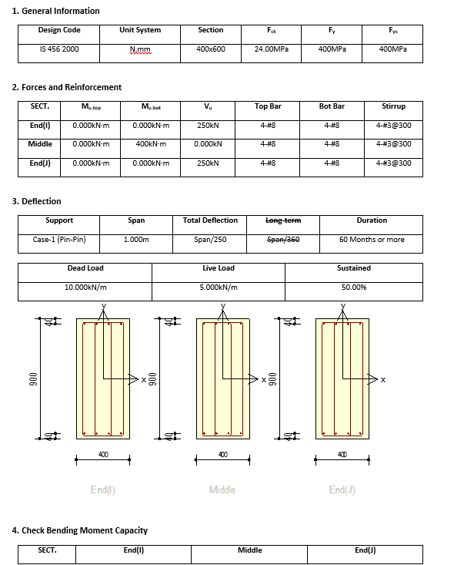

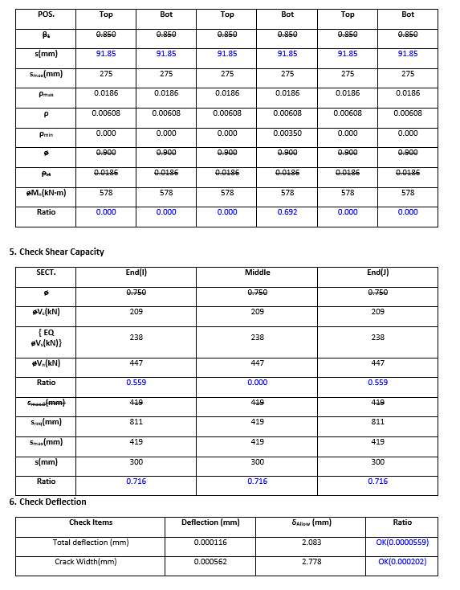

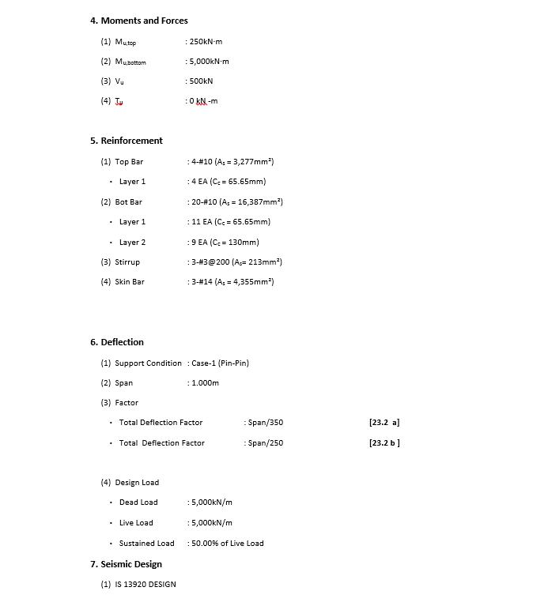

and Crack Width

